Лист1
On Board | Functions | MCU Pin | Connector Pin | Connector Pin | MCU Pin | Functions | On Board
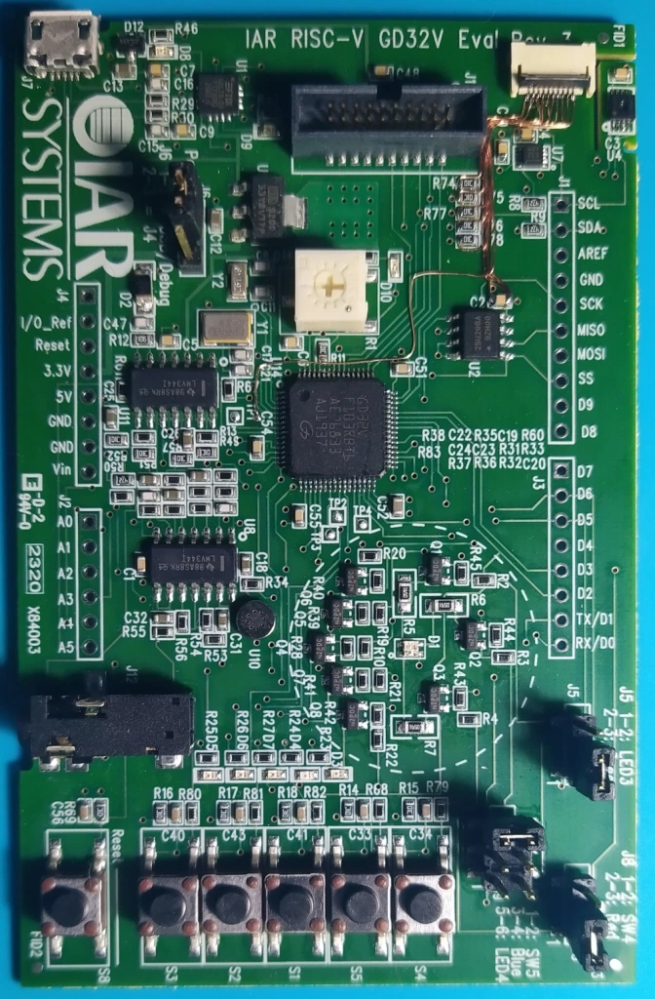

 |  |  |  | J1
 |  |  |  | SCL | PB8 | TIMER3_CH2, I2C0_SCL, CAN0_RX | U4, U7
 |  |  |  | SDA | PB9 | TIMER3_CH3, I2C0_SDA, CAN0_TX | U4, U7
 |  |  |  | AREF | PB6 | I2C0_SCL, TIMER3_CH0, USART0_TX, CAN1_TX | LED3
 |  |  | J4 | GND
 |  |  | NC | D13/SCK | PB13 | SPI1_SCK, USART2_CTS, TIMER0_CH0_ON, I2S1_CK, CAN1_TX | Flash U2
 |  |  | NC (IO Ref) | D12/MISO | PB14 | SPI1_MISO, USART2_RTS, TIMER0_CH1_ON | Flash U2
 |  |  | NC (Reset) | D11/MOSI | PB15 | SPI1_MOSI, TIMER0_CH2_ON, I2S1_SD | Flash U2
 |  |  | +3.3V | D10/SS | PB12 | SPI1_NSS, I2C1_SMBA, USART2_CK, TIMER0_BRKIN, I2S1_WS, CAN1_RX | Flash U2
 |  |  | NC (+5V) | D9 | PC7 | I2S2_MCK, TIMER2_CH1 | LED2
 |  |  | GND | D8 | PA9 | USART0_TX, TIMER0_CH1, USBFS_VBUS | LED1
 |  |  | GND
 |  |  | NC (Vin) | J3
 |  |  |  | D7 | PA8 | USART0_CK, TIMER0_CH0, CK_OUT0, USBFS_SOF | SW3
 |  |  | J2 | D6 | PB10 | I2C1_SCL, USART2_TX, TIMER1_CH2 | JMP_LED5, J5-2
EARBUD_R | SPI0_NSS, USART1_CK, ADC01_IN4, DAC_OUT0, SPI2_NSS, I2S2_WS | PA4 | A0 | D5 | PB11 | I2C1_SDA, USART2_RX, TIMER1_CH3 | JMP_LED4, J9-2\4\6
EARBUD_L | SPI0_SCK, ADC01_IN5, DAC_OUT1 | PA5 | A1 | D4 | PB5 | I2C0_SMBA, SPI2_MOSI, I2S2_SD, TIMER2_CH1, SPI0_MOSI, CAN1_RX | SW2
EXTERNAL-MIC | WKUP, USART1_CTS, ADC01_IN0, TIMER1_CH0 _ETI, TIMER4_CH0 | PA0 | A2 | D3 | PA11 | USART0_CTS, CAN0_RX, USBFS_DM, TIMER0_CH3 | JMP_S4, J8-2
POTENTIOMETER | USART1_RTS, ADC01_IN1, TIMER1_CH1, TIMER4_CH1 | PA1 | A3 | D2 | PA10 | USART0_RX, TIMER0_CH2, USBFS_ID | SW1
ONBOARD-MIC | ADC01_IN8, TIMER2_CH2, TIMER0_CH1_ON | PB0 | A4 | D1/TX | PA2 | USART1_TX, ADC01_IN2, TIMER1_CH2, TIMER4_CH2 | RX FT230XQ
LIGHT_SENSOR | ADC01_IN11 | PC1 | A5 | D0/RX | PA3 | USART1_RX, ADC01_IN3, TIMER1_CH3, TIMER4_CH3 | TX FT230XQ

